Sheet1
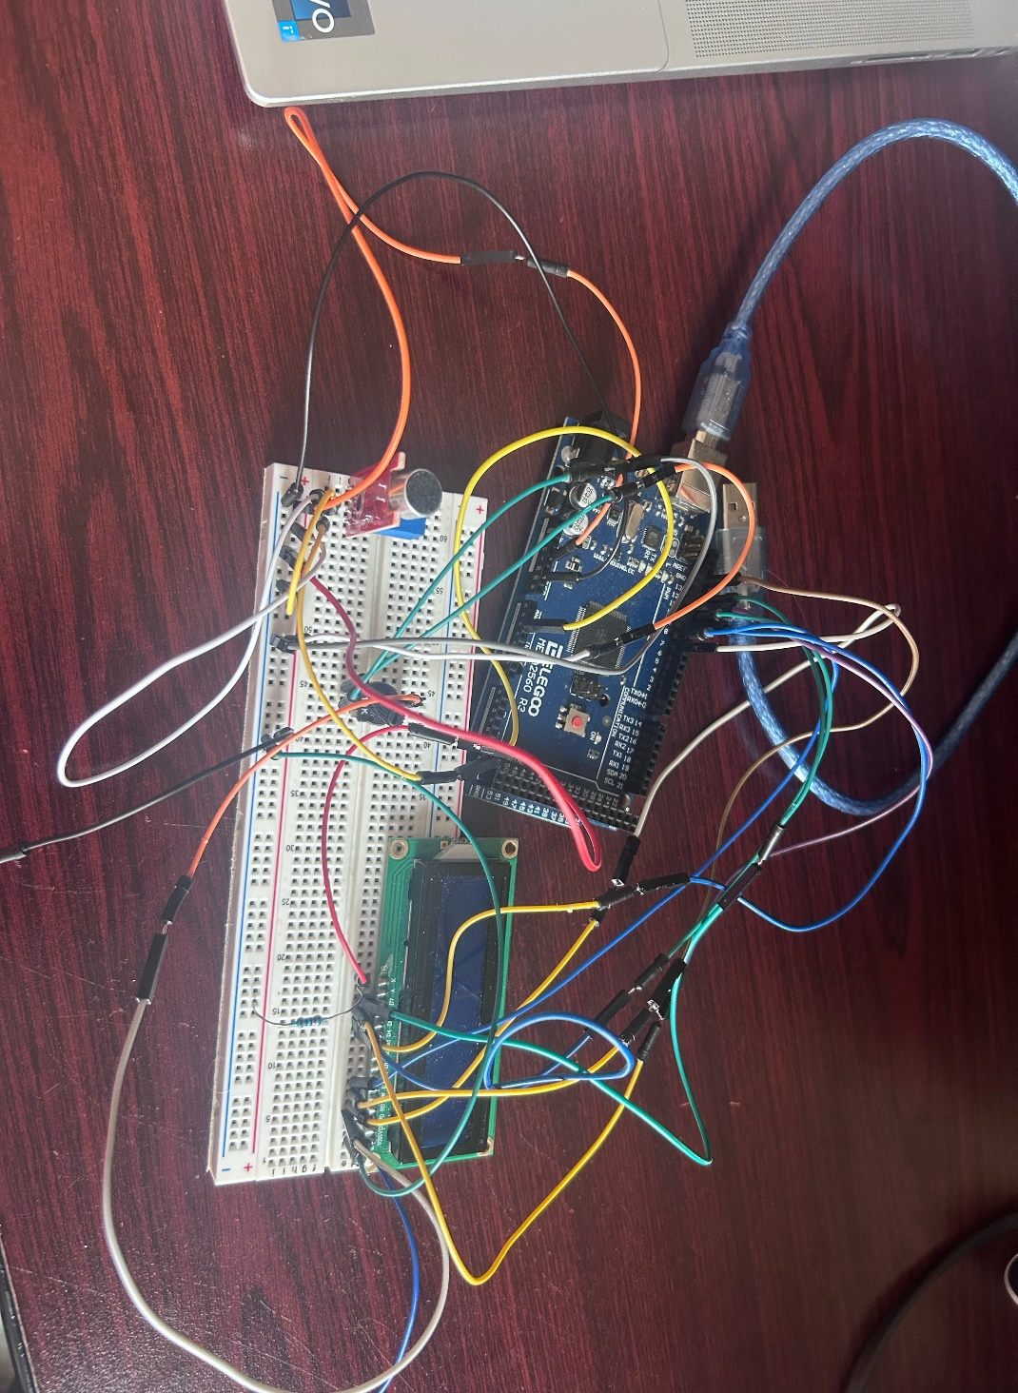
Microphone sensor | LCD Screen | Elagoo Mega 2560
AO jumper to A2 | VSS to ground | USB power connection
G to Ground | VDD to power | 5v connected to breadboard
+ ' to power | V0 to potieometer output | ground connected to bread board
DO to none | RS to PWM 7
 | RW to Grnd on Chip
 | E to PWM 8
 | D4 to PWM 9
 | D5 to PWM 10
 | D6 to PWM 11
 | D7 to PWM 12
 | A connected to power via resistor
 | K connected to ground

